Sheet1
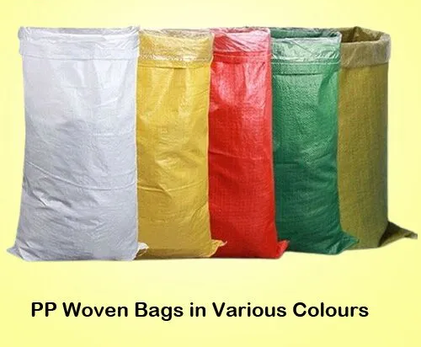
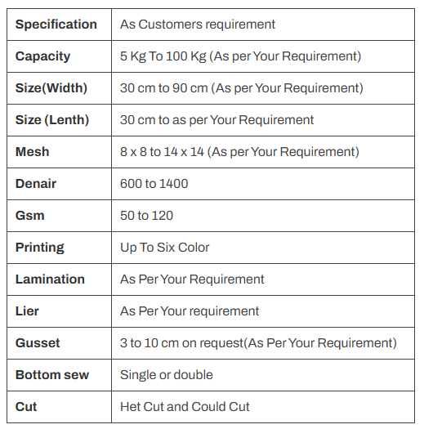
Standard woven bags are the workhorses of the packaging world.
They are robust, cost-effective, and ideal for heavy-duty applications.
These bags are commonly used in industries like agriculture and construction for their exceptional durability.

